PopulationReport
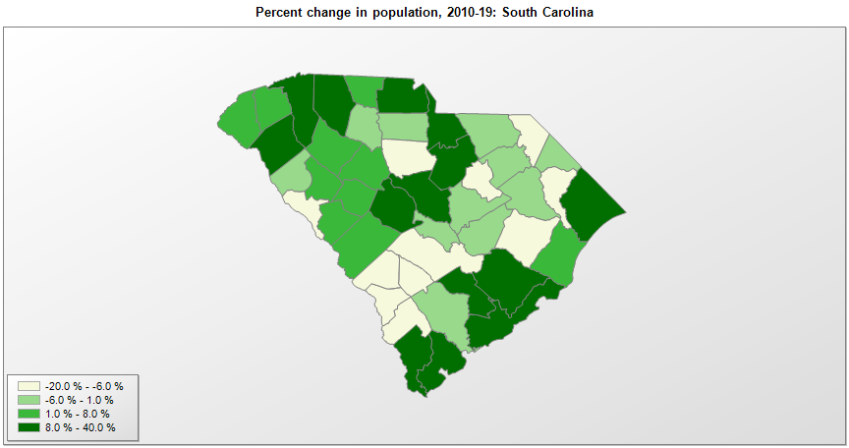

FIPS* | County name | RUC code | Pop. 1990 | Pop. 2000 | Pop. 2010 | Pop. 2019 | Change 2010-19
45000 | South Carolina |  | 3,486,310 | 4,012,023 | 4,625,366 | 5,148,714 | 11.3%
45001 | Abbeville County | 6 | 23,862 | 26,153 | 25,416 | 24,527 | -3.5%
45003 | Aiken County | 2 | 120,991 | 142,556 | 160,129 | 170,872 | 6.7%
45005 | Allendale County | 6 | 11,727 | 11,199 | 10,419 | 8,688 | -16.6%
45007 | Anderson County | 2 | 145,177 | 165,734 | 186,922 | 202,558 | 8.4%
45009 | Bamberg County | 7 | 16,902 | 16,704 | 15,972 | 14,066 | -11.9%
45011 | Barnwell County | 6 | 20,293 | 23,491 | 22,621 | 20,866 | -7.8%
45013 | Beaufort County | 3 | 86,425 | 120,931 | 162,219 | 192,122 | 18.4%
45015 | Berkeley County | 2 | 128,658 | 142,747 | 178,373 | 227,907 | 27.8%
45017 | Calhoun County | 2 | 12,753 | 15,132 | 15,178 | 14,553 | -4.1%
45019 | Charleston County | 2 | 295,159 | 309,921 | 350,128 | 411,406 | 17.5%
45021 | Cherokee County | 4 | 44,506 | 52,532 | 55,488 | 57,300 | 3.3%
45023 | Chester County | 1 | 32,170 | 34,112 | 33,159 | 32,244 | -2.8%
45025 | Chesterfield County | 6 | 38,575 | 42,765 | 46,722 | 45,650 | -2.3%
45027 | Clarendon County | 6 | 28,450 | 32,460 | 34,949 | 33,745 | -3.4%
45029 | Colleton County | 6 | 34,377 | 38,259 | 38,887 | 37,677 | -3.1%
45031 | Darlington County | 3 | 61,851 | 67,444 | 68,611 | 66,618 | -2.9%
45033 | Dillon County | 6 | 29,114 | 30,735 | 32,059 | 30,479 | -4.9%
45035 | Dorchester County | 2 | 83,060 | 96,353 | 136,144 | 162,809 | 19.6%
45037 | Edgefield County | 2 | 18,360 | 24,588 | 26,965 | 27,260 | 1.1%
45039 | Fairfield County | 2 | 22,295 | 23,388 | 23,959 | 22,347 | -6.7%
45041 | Florence County | 3 | 114,344 | 125,709 | 136,965 | 138,293 | 1.0%
45043 | Georgetown County | 4 | 46,302 | 55,823 | 60,311 | 62,680 | 3.9%
45045 | Greenville County | 2 | 320,127 | 379,648 | 451,211 | 523,542 | 16.0%
45047 | Greenwood County | 4 | 59,567 | 66,309 | 69,691 | 70,811 | 1.6%
45049 | Hampton County | 6 | 18,186 | 21,373 | 21,090 | 19,222 | -8.9%
45051 | Horry County | 2 | 144,053 | 196,558 | 269,146 | 354,081 | 31.6%
45053 | Jasper County | 3 | 15,487 | 20,672 | 24,791 | 30,073 | 21.3%
45055 | Kershaw County | 2 | 43,599 | 52,649 | 61,594 | 66,551 | 8.0%
45057 | Lancaster County | 1 | 54,516 | 61,404 | 76,651 | 98,012 | 27.9%
45059 | Laurens County | 2 | 58,132 | 69,407 | 66,513 | 67,493 | 1.5%
45061 | Lee County | 6 | 18,437 | 20,089 | 19,226 | 16,828 | -12.5%
45063 | Lexington County | 2 | 167,526 | 216,031 | 262,453 | 298,750 | 13.8%
45065 | McCormick County | 8 | 8,868 | 9,934 | 10,229 | 9,463 | -7.5%
45067 | Marion County | 6 | 33,899 | 35,475 | 33,058 | 30,657 | -7.3%
45069 | Marlboro County | 6 | 29,716 | 28,820 | 28,935 | 26,118 | -9.7%
45071 | Newberry County | 6 | 33,172 | 35,979 | 37,510 | 38,440 | 2.5%
45073 | Oconee County | 4 | 57,494 | 66,199 | 74,285 | 79,546 | 7.1%
45075 | Orangeburg County | 4 | 84,804 | 91,511 | 92,508 | 86,175 | -6.8%
45077 | Pickens County | 2 | 93,896 | 110,755 | 119,385 | 126,884 | 6.3%
45079 | Richland County | 2 | 286,321 | 320,836 | 384,425 | 415,759 | 8.2%
45081 | Saluda County | 2 | 16,441 | 19,180 | 19,860 | 20,473 | 3.1%
45083 | Spartanburg County | 2 | 226,793 | 253,957 | 284,304 | 319,785 | 12.5%
45085 | Sumter County | 3 | 101,276 | 104,687 | 107,485 | 106,721 | -0.7%
45087 | Union County | 2 | 30,337 | 29,939 | 28,973 | 27,316 | -5.7%
45089 | Williamsburg County | 6 | 36,815 | 37,219 | 34,410 | 30,368 | -11.7%
45091 | York County | 1 | 131,497 | 164,656 | 226,037 | 280,979 | 24.3%

Source: U.S. Census Bureau, 1990, 2000, and 2010 Censuses of Population (corrected), and 2019 County Total Population Estimates. 1) The FIPS codes uniquely identify each county and are part of the Federal Information Processing Standards (FIPS) developed by the National Institute of Standards and Technology (NIST), U.S. Department of Commerce. For more information, see the NIST FIPS publication page. 2) The 2013 rural-urban continuum codes classify metropolitan counties (codes 1 through 3) by size of the Metropolitan Statistical Area (MSA), and nonmetropolitan counties (codes 4 through 9) by degree of urbanization and proximity to metro areas. See rural-urban continuum codes for precise definitions of each code.

